SUPT6_B
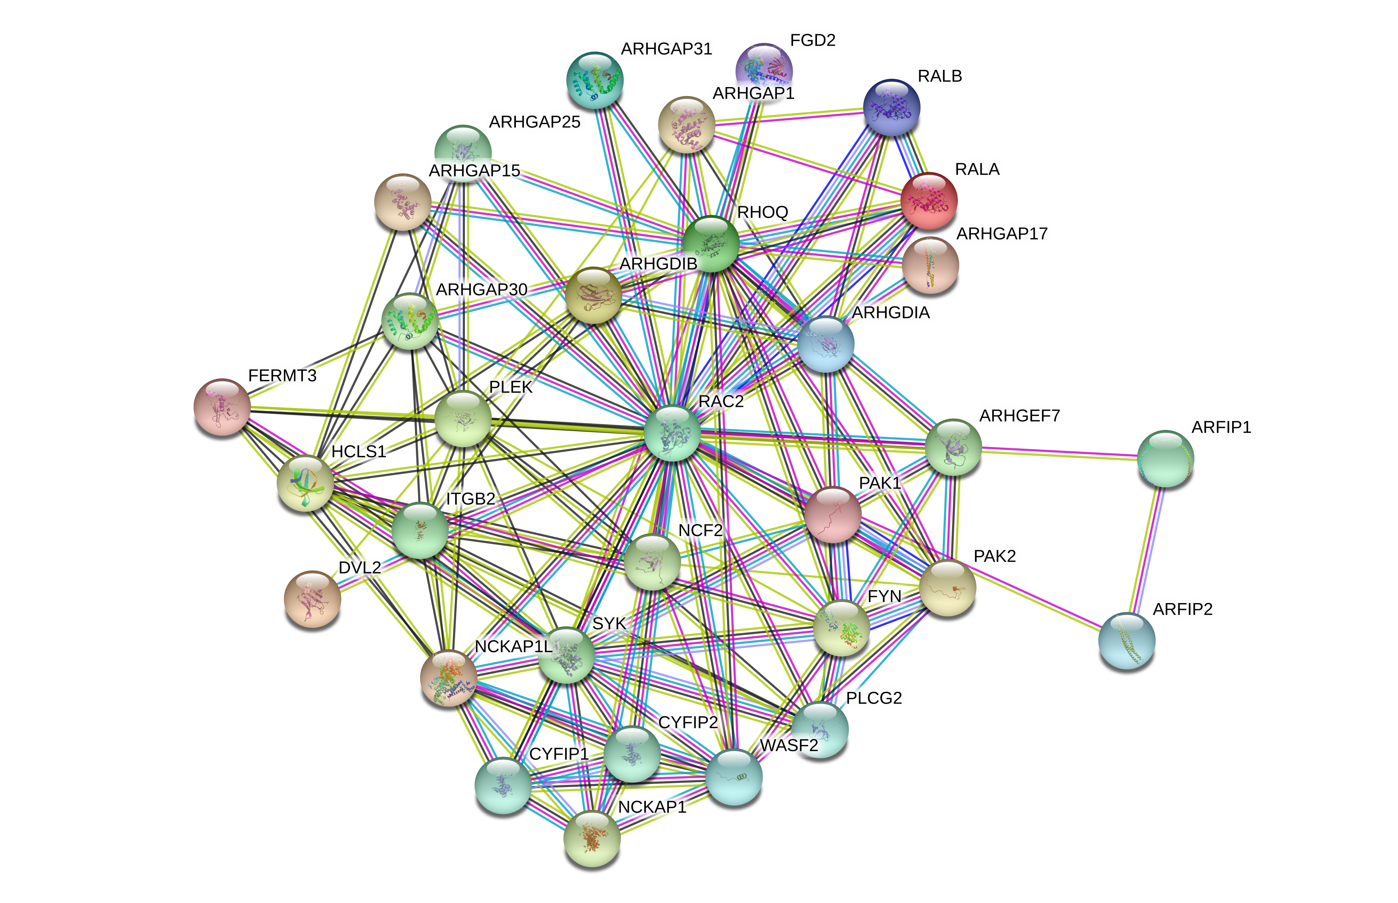
Supplemental Table 6. RAC2 protein interactions are a marker of epigenetic ibrutinib resistance
B. RAC2 interactors:STRING analysis
interactor | neighborhood_on_chromosome | gene_fusion | phylogenetic_cooccurrence | homology | coexpression | experimentally_determined_interaction | database_annotated | automated_textmining | combined_score
ARHGDIB | 0 | 0 | 0 | 0 | 0.639 | 0.941 | 0.9 | 0.573 | 0.998
ARFIP2 | 0 | 0 | 0 | 0 | 0 | 0.854 | 0 | 0.258 | 0.887
PAK2 | 0 | 0 | 0 | 0 | 0.064 | 0.827 | 0.8 | 0.507 | 0.982
PAK1 | 0 | 0 | 0 | 0 | 0.064 | 0.815 | 0.8 | 0.598 | 0.984
PLCG2 | 0 | 0 | 0 | 0 | 0.189 | 0.803 | 0 | 0.221 | 0.865
ARFIP1 | 0 | 0 | 0 | 0 | 0 | 0.731 | 0 | 0.085 | 0.743
ARHGDIA | 0 | 0 | 0 | 0 | 0.118 | 0.718 | 0.9 | 0.725 | 0.992
NCKAP1 | 0 | 0 | 0 | 0 | 0 | 0.384 | 0.6 | 0.457 | 0.854
NCF2 | 0 | 0 | 0 | 0 | 0.311 | 0.379 | 0.9 | 0.784 | 0.989
ARHGEF7 | 0 | 0 | 0 | 0 | 0.061 | 0.331 | 0.9 | 0.502 | 0.964
CYFIP1 | 0 | 0 | 0 | 0 | 0.107 | 0.262 | 0.6 | 0.44 | 0.832
CYFIP2 | 0 | 0 | 0 | 0 | 0.205 | 0.262 | 0.6 | 0.443 | 0.852
ARHGAP1 | 0 | 0 | 0 | 0 | 0 | 0.189 | 0.9 | 0.569 | 0.962
ARHGAP15 | 0 | 0 | 0 | 0 | 0.185 | 0.186 | 0.9 | 0.224 | 0.941
FGD2 | 0 | 0 | 0 | 0 | 0.088 | 0.185 | 0.9 | 0.161 | 0.929
NCKAP1L | 0 | 0 | 0 | 0 | 0.525 | 0.178 | 0.6 | 0.273 | 0.871
ARHGAP17 | 0 | 0 | 0 | 0 | 0 | 0.177 | 0.9 | 0.203 | 0.928
ARHGAP25 | 0 | 0 | 0 | 0 | 0.189 | 0.177 | 0.9 | 0.271 | 0.944
FYN | 0 | 0 | 0 | 0 | 0 | 0.16 | 0.8 | 0.456 | 0.9
SYK | 0 | 0 | 0 | 0 | 0.159 | 0.16 | 0.9 | 0.473 | 0.957
DVL2 | 0 | 0 | 0 | 0 | 0 | 0.158 | 0.9 | 0.342 | 0.939
WASF2 | 0 | 0 | 0 | 0 | 0.063 | 0.131 | 0.6 | 0.57 | 0.841
RALA | 0 | 0 | 0.217 | 0.739 | 0.203 | 0.073 | 0.8 | 0.463 | 0.864
RALB | 0 | 0 | 0.229 | 0.753 | 0.08 | 0.073 | 0.8 | 0.422 | 0.84
ITGB2 | 0 | 0 | 0 | 0 | 0.641 | 0.069 | 0 | 0.434 | 0.794
ARHGAP30 | 0 | 0 | 0 | 0 | 0.385 | 0.057 | 0.9 | 0 | 0.936
ARHGAP31 | 0 | 0 | 0 | 0 | 0.059 | 0.057 | 0.9 | 0.108 | 0.91
RHOQ | 0 | 0 | 0.428 | 0.96 | 0 | 0 | 0.9 | 0.336 | 0.902
PLEK | 0 | 0 | 0 | 0 | 0.39 | 0 | 0 | 0.592 | 0.741
FERMT3 | 0 | 0 | 0 | 0 | 0.614 | 0 | 0 | 0.267 | 0.705
HCLS1 | 0 | 0 | 0 | 0 | 0.716 | 0 | 0 | 0.201 | 0.763

